Credits-Hours Calculator
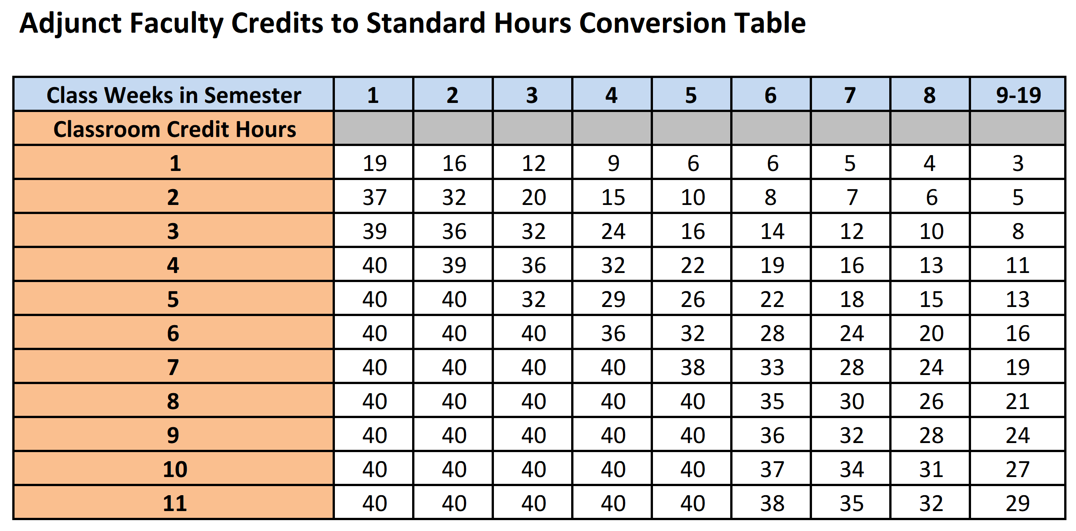
Use this calculator for full semester courses ONLY
Enter amounts in white fields only [ C, E, F ]
To Calculate an Hourly Rate for an Adjunct
Per Semester | How Many Credits to be Paid for? | Credits Convert to Weekly Hours | How Many Weeks? | Total Salary to Pay? | Hourly Rate to Use (Rounded Up) | Final Salary that will be Paid
 | 3 | 8 | 19 | $2,500.00 | $16.45 | $2,500.40

For courses shorter than a full semester, please use this table

