Example
Journal Name must follow naming convention
Select transfer type from the drop down menu
Debits must = Credits.
If Debits <> Credits difference shows here. This example is not balanced. It would be returned to the sumitter
 | Create Budget Transfer |  | Journal Name: | 93901 10.26.10 SS 1
Journal Header Description: |  | *Category - Select from Drop Down | Debit = Credit?
Provide the reason for the Budget Transfer here. Include all relevant information, including EAF#, TALEO#, PCNs, etc. This field is 240 characters. |  | Budget One Time Transfer | (50.50) | For each line enter ONLY a 'To' OR a 'From' Amount.
4 Digit Fund | 5 Digit Department | 7 Digit Cost Center | 6 Digit Budget Rollup | FROM- Reduces Bgt Enter a Positive # | TO- Increases Bgt Enter a Positive #

Fund | Department | Cost Center | Budget Account | From Amount(Debit) | To Amount (Credit)
1001 | 93901 | 5560024 | 500000 | 400.50
1001 | 93901 | 5560024 | 600000 | 100.00
1001 | 93901 | 5560025 | 500000 | 200.50
1001 | 70100 | 5110040 | 600000 |  | 200.00
1001 | 74000 | 3550001 | 500000 |  | 450.50

The FROM fund source must be the 1st line on the spreadsheet. This line triggers workflow approvals.
A transfer may have only ONE 'FROM' Fund/Dept/. There can be multiple 'FROM' budget rollup accounts and Cost Centers for the Fund/Dept/.
There may be muliple To Departments, Cost Centers and Account combinations.

 |  |  |  | 701.00 | 650.50

Instructions
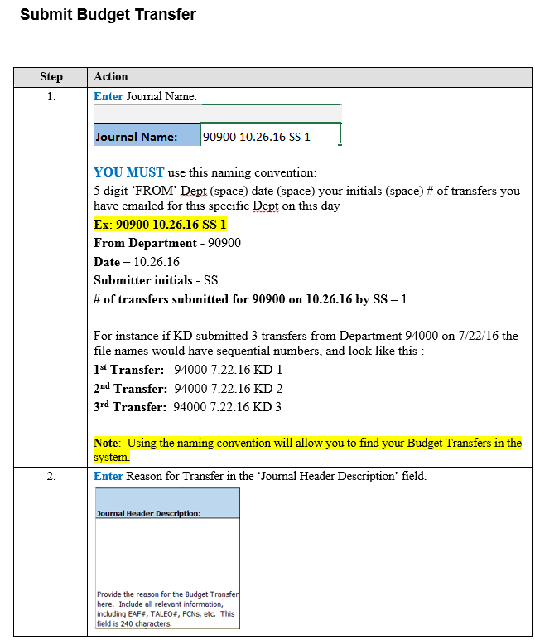
 |  | Budget Rollup Accounts:
 |  | Rollup Acct | Definition | Use for
 |  | 410000 | Regular Salaries | Permanent Employee Salary
 |  | 411000 | Irregular Salaries | Temp Employee Salary/Overtime for Perm Employees/Summer Salary/Supplemental Pay
 |  | 412000 | Student Salaries | Student Salaries
 |  | 420000 | Benefits | Benefits
 |  | 500000 | Other Expenses | Other Expense and Travel
 |  | 600000 | Capital Outlay | Capital

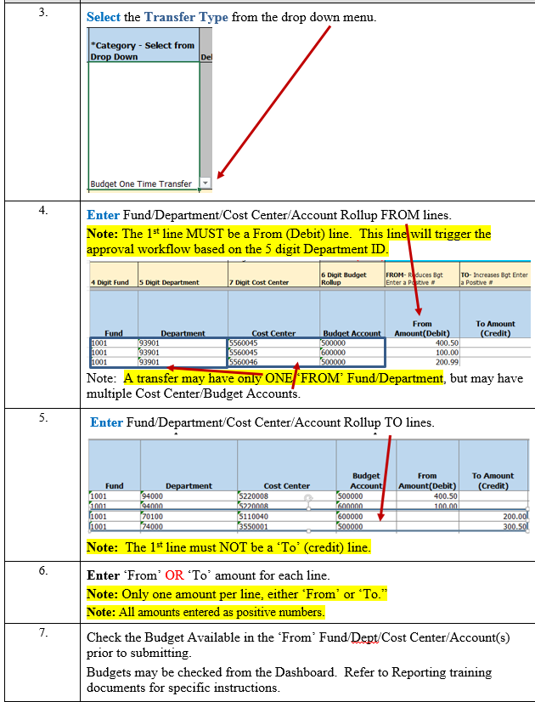

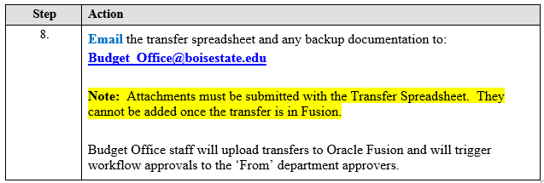

8. | Email the transfer spreadsheet and any backup documentation to:
 | BudgetandPlanning@boisestate.edu

 | Note: Attachments must be submitted with the Transfer Spreadsheet. They
 | cannot be added once the transfer is in Fusion.

 | Budget and Planning staff will upload transfers to Oracle Fusion and will trigger
 | workflow approvals to the 'From' department approvers.

